Task 04
last updated on: | 2018-06-03 | SPREADSHEET TASKS |  |  | 0 | Comments
Task | Why we do this | What we are to do | Component | Standard | Points Earned
 | Workbook and worksheet setup

Manage worksheets | you will create a new workbook from existing worksheets | Download the INLS-161-2018-SS1-project workbook on the Spreadsheets Tasks overview page. | 0 | 5% | 0
Sheet creation and naming | you will create new worksheets | Insert a new worksheet, place it first in the sequence of worksheets, and name it Summary. | 0 | 5% | 0
Sheet creation and naming | you will create new worksheets | make a copy of the 1.Library Profile worksheet and place the copy directly after the Summary worksheet. Rename the new worksheet tab as Subtotals. | 0 | 5% | 0
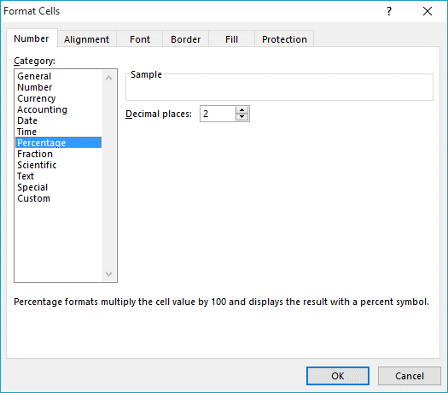
Cell Formatting | you will demonstrate cell formatting skills for display purposes | Format row 1 on the 2.Format worksheet to display as alignment: vertical, center; text: Courier New font, 16 pt, Bold. | 0 | 5% | 0
Cell Formatting | you will demonstrate cell formatting skills for display purposes | On the 2.Format worksheet, format row 1 with white font, blue fill, but only for those cells that have data below them. For example on this specifications sheet, only columns A through H have data below them, so row 1 is formatted with a fill only over columns A through H) | 0 | 5% | 0
Row height | you will demonstrate the ability to control cell display | On the 2.Format worksheet, set the row height for row 1 at 36 for Windows or .36 for Mac (don't worry about the unit of measure; just set it at 36) | 0 | 5% | 0
Cell Formatting | you will demonstrate cell formatting skills for display purposes | On the 2.Format worksheet, set the column width for columns B through C to AutoFit Column width | 0 | 5% | 0
Cell Formatting | you will demonstrate cell formatting skills based on the type of data the cells contain | On the 2.Format worksheet, format the cells containing names and data about county systems with a green fill; cells containing names and data about regional systems with a gold fill; and cells containing names and data about municipal systems in a blue fill | 0 | 10% | 0
Cell Formatting | you will demonstrate cell formatting skills for display purposes | On the 2.Format worksheet, where header rows have subdivisions on a lower row, format the header cells so that the groupings are clear to the viewer. Use fill colors where it seems useful to do so | 0 | 15% | 0
Make it look professional | where you can, make the sheets look better | On the 2.Format worksheet, where appropriate, put all the relevant header cell data into a single cell atop the relevant data column without altering the integrity of each row on the worksheet. Where it makes sense, remove cell borders for ease of viewing, but retain them where they are needed to discriminate among the data. | 0 | 10% | 0
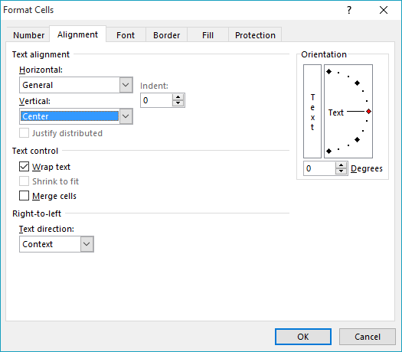
Freeze Panes | you will demonstrate understanding of how and why to freeze panes | On the 2.Format worksheet, freeze the appropriate row so that the header rows always appear | 0 | 10% | 0
Freeze Panes | you will demonstrate understanding of how and why to freeze panes | On the 2.Format worksheet, freeze the appropriate column so that the type and name columns always appear | 0 | 10% | 0
Validate data | you will validate data in a column | On the 2.Format worksheet, validate the data in column I so that new data added to this column cannot be less than 50,000 | 0 | 10% | 0
 | Set up skills |  |  | 100% | 0
 | Hiding Data
Hiding Data | you will demonstrate how and why to hide data | On the 3.Hide Column Data worksheet, hide columns G and I. | 0 | 50% | 0
Hiding Data | you will demonstrate how and why to hide data | On the 4.Hide Row Data worksheet, hide all the rows relating to Regional systems, except for Nuese and Fontana. | 0 | 50% | 0
 | Hiding data skills |  |  | 100% | 0
 | Functions & Formulas
Functions | you will demonstrate facility with functions and formatting of the resultant data | On the Summary worksheet, in cell A4 enter the words "Highest Library Director Salary." In cell F4, insert a function that will return the highest salary from the data on the 5.Sort Library Director Salary worksheet. | 0 | 20% | 0
Functions | you will demonstrate facility with functions and formatting of the resultant data | On the Summary worksheet, in cell A5 enter the words "Lowest eBooks Per Capita." In cell F5 insert a function that will return the lowest eBooks Per Capita from the data on the 10. Comment worksheet. | 0 | 20% | 0
Functions | you will demonstrate facility with functions | On the Summary worksheet, in cell A6 enter the words "How many systems had no website visits?" In cell F6, display the number of library systems that report no website visits on the 13.Technology worksheet. Use your help tool to find the right function. | 0 | 20% | 0
Formulas | you will demonstrate facility with formulas, by pulling vectored data from two different worksheets into a new formula | Copy the cells containing the names of all the library systems from the 1.Library Profile worksheet. Paste these cells into cell C7 through C86 on the Summary worksheet. Then, in cell D7, insert a formula that will draw values from two other worksheets. The formula should divide Alamance County's "Use Sessions of Internet Computers" from the 13.Technology worksheet by Alamance County's "Legal service population area" from the 1.Library Profile worksheet. | 0 | 20% | 0
Formatting | you will demonstrate cell formatting skills based on the type of data the cells contain | Once you have created the formula, format the cell to display percentages to two decimal places. | 0 | 10% | 0
Dragging values |  | Once you have formatted the data in the cell, drag the cell down the column to apply the same formula and formatting for all library systems | 0 | 10% | 0
 | Functions & formula skills |  |  | 100% | 0
 | Sorting Data
Sort | you will do a single level sort | Sort the data on the 5.Sort Library Director Salary worksheet by Library Directory Salary [you will not use filter tool in this case]. Have the sort display from smallest to the largest. | 0 | 50% | 0
Multi-level sort | you will do a multi-level sort | Sort the data on the 6.Sort by Central & Branches worksheet first by Central, from smallest to largest, and then by Branch from smallest to largest. [You will not use filter tool in this case] | 0 | 50% | 0
 | Sorting Skills |  |  | 100% | 0
 | Filtering Data
Filtering 1 | you will demonstrate facility with a number filter | Filter the data on the 7.Filter worksheet to find the bottom 10 systems in terms of Electronic Materials and sort those bottom 10 from smallest to largest (look under top 10 ten label to choose bottom 10) | 0 | 30% | 0
Filtering 2 | you will demonstrate facility with a number filter, after having used an exclusion filter to show only one subset of data | Use a multilevel filter on the 8.Filter Library Visits worksheet to find out which of the Regional and Municipal systems only had total numbers of Library Visits between 100,000 and 400,000 | 0 | 35% | 0
Filtering 3 | you will demonstrate facility with a number filter, after having used an exclusion filter to show only one subset of data | Use a multilevel filter on the 9.Filter Meeting Rooms Use worksheet to find out which of the Regional and Municipal systems only had above average Meeting Rooms Use | 0 | 35% | 0
 | Filtering Skills |  |  | 100% | 0
 | Subtotalling Data
Subtotals 1 | you will demonstrate facility with one of the functions in the subtotal tool. To see the data you are using, you may have to adjust the zoom for the Subtotals worksheet to 75%. | Using the Subtotals worksheet, calculate subtotals consisting of sum of annual hours by system type (i.e., by county, by regional, by municipal). USE the SUBTOTAL TOOL; DO NOT USE FORMULAS | 0 | 40% | 0
Subtotals 2 | you will demonstrate facility with another function in the subtotal tool | Using the Subtotals worksheet, calculate a second subtotal consisting of average of the Legal Service Population Area by system type (i.e., by county, by regional, by municipal). Be sure not to delete the previous subtotal. You may have to find the subtotal label in the hidden column to be able to use it to draw the viewers' attention to the subtotal.USE the SUBTOTAL TOOL; DO NOT USE FORMULAS | 0 | 40% | 0
Subtotal display | you will demonstrate facility with minimizing the subtotaled data | Minimize the data so that only the subtotals are visible. USE the SUBTOTAL TOOL; DO NOT USE FORMULAS OR ROW HIDING as you did previously. The subtotal tool will allow you to minimize. Do | 0 | 20% | 0
 | Subtotalling Skills |  |  | 100% | 0
 | Comments
Comment | you will comment on a cell, format the comment, and have it show | On the 10.Add comment worksheet, insert a comment on cell I4 stating which system has highest number of Subscriptions Per 1,000 Population. Make the comment show. See the comment that is three columns to the right of this cell on this row for sample. | 0 | 100% | 0
 | Comments skills |  |  | 100% | 0
 | Data Display
Chart 1 | you will create a chart that compares one data set by counties | Using the data on the 11.Chart 1 data worksheet, create a chart to look at the total income per capita of the county systems. Arrange the data from lowest per capita on the left to highest on the right (this will require sorting). Use a chart that compares values (per capita) to categories (county systems). Place the chart on a separate worksheet (that means the chart stands alone on a workesheet and does not float above a grid of cells on a worksheet) named Per Capita Funding and insert the sheet right after the 11.Chart 1 data worksheet. You may use the chart wizard, but do not use the defaults. | 0 | 25% | 0
Formatting | you will demonstrate facility with the chart formatting tools | You will need to work with the chart tools to ensure that the X or Y axes (depending on whether you use a column or a bar chart) are labeled. | 0 | 10% | 0
Formatting | you will demonstrate facility with the chart formatting tools | Include a chart title and modify the display in some fashion to make it unique to your style. | 0 | 10% | 0
Chart 2 | you will create a chart that compares multiple data sets by region | We want to compare the Total print collections to the Total non-print collections of the regional systems. Use the data from the 12.Chart 2 data worksheet, but restrict the chart to only data about the regional systems. Include only data about Adult, Young Adult, and Juvenile Books, along with only Audio & eAudio, eVideo, and eBooks. Create a chart that compares the percentage of each value contributes to a total across categories and place the chart on a separate worksheet (that means the chart stands alone on a worksheet and does not float above a grid of cells on a worksheet) named Collection Chart, inserted directly after the 7.Chart 2 data worksheet. (The underlying total will be ordered). Use a chart that compares values to categories. Use any appropriate chart style that pleases you, but again here, do not settle for the defaults. Customize the chart in some fashion. This will be a 100% stacked chart of some type. You will be using raw numbers and having the chart tool convert the numbers to relative percentages. Do not create the percentages yourself. | 0 | 25% | 0
Formatting | you will demonstrate facility with the chart formatting tools | Make it very clear in the formatting which values are which. If you use a legend, be sure to have the legend pull its name from the appropriate cell in the worksheet. Format your axes and axes labels so that the viewer is in no doubt about what is being depicted. (If the data format is self-explanatory, you may not need a label for an axis) | 0 | 10% | 0
Text Box | you will annotate the chart using a drawing object | Annotate the chart by including a free-floating objects to point out the system who receives the highest percentage of no-print materials. | 0 | 10% | 0
Formatting | you will demonstrate facility with the chart formatting tools | put the legend at the bottom of the chart without overlapping the data | 0 | 10% | 0
 | Data display skills |  |  | 100% | 0
 | Page Setup
Page Setup | you will set up the printed versions of the workbook so that the header rows will display on each printed page | Set up the 2.Format worksheet so that the appropriate header rows will display on each printed page. | 0 | 25% | 0
 | Suggestion: Wait until you have all your worksheets done, then group them and do the next four things to all of them at the same time.
Page Setup | you will include footers on each worksheet page | On all the worksheets together, use a footer to include your name on the left and the date on the right on each page in the workbook. | 0 | 20% | 0
Page Setup | you will include headers on each worksheet page | On all the worksheets together, use a header to include the worksheet tab name centered and bold on the top of each printed page. | 0 | 20% | 0
Page Setup | you will demonstrate facility with placing the data on the printed page | On all the worksheets together, set the margins for 1 inch top and bottom, left and right, and .5 inches for header and footer | 0 | 20% | 0
Page Setup | you will demonstrate facility with basic page layout | On all the worksheets together, ensure that all pages are laid out in landscape orientation for printing and that the page order is over, then down. | 0 | 15% | 0
 | Page Setup Skills |  |  | 100% | 0
 | Admin tasks
Save and store |  | ftp to your hidden tasks directory and name it: lastname.firstname.xlsx; create the link on your INLS 161 page; test download it. Confirm file is the correct version. | 0 | 100% | 0
 |  |  |  | 100% | 0
 | Points for Task 4 |  |  |  | 0

