Task 03
 | last updated on: | 2018-05-29 |  |  |  | 0 | Comments
 | Task | Why we do this | What we are to do | Component | Standard | Points Earned
 |  | Set up skills
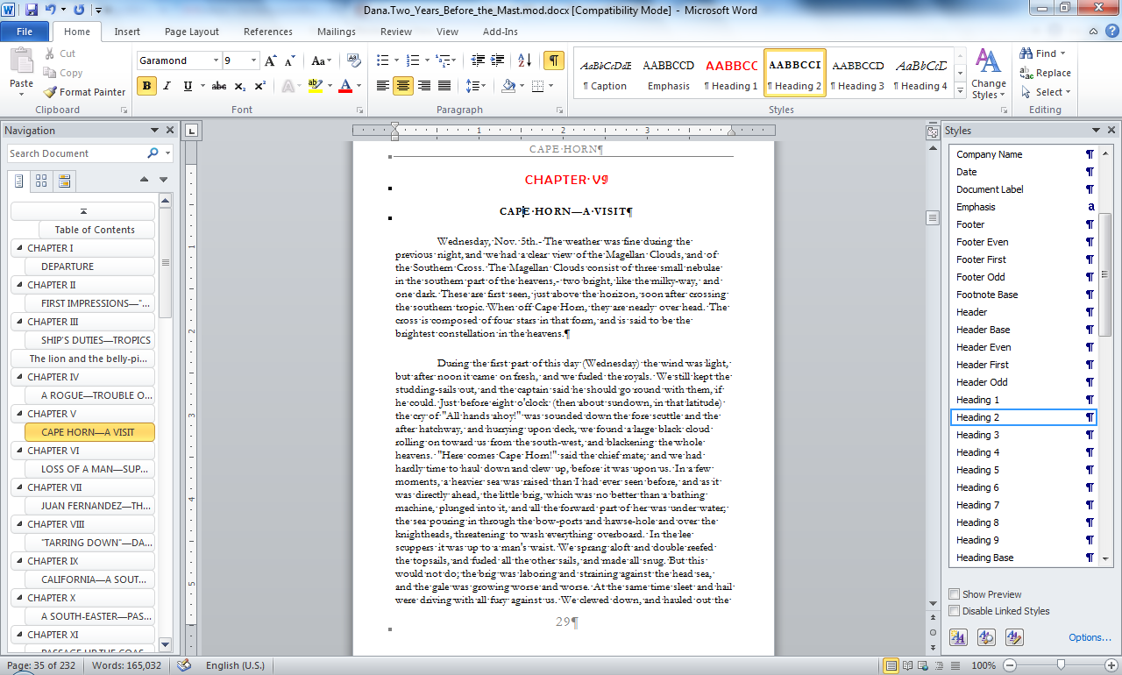
3.01 | Edit text | you will remove unneeded text from the source material | Delete everything in the downloaded text up to the title. Your new document should begin with the title of the work. | 0 | 5% | 0
3.02 | Edit text | you will only include the original document in your final product | Using your find tool, find the line that says "***END OF THE PROJECT GUTENBERG EBOOK ... ". Delete that line and all the remaining lines of the document. Your new document should end with the last line of the original work and should not include any of the Project Gutenberg legalese that one normally finds at the end. | 0 | 5% | 0
3.03 | Find and Replace | you will demonstrate skill with the find and replace tools (CNTL+H) | Using your find and replace tools, reformat the e-book to eliminate unnecessary paragraph markers and to permit the text to wrap until it hits an actual paragraph mark. If you are unsure of how to proceed, look at the practice exercises for the Document Markup session. | 0 | 60% | 0
3.04 | Page Setup | the e-book will be set up to work on an e-book reader, perhaps similar to a Kindle DX | Assume the readable area for an e-reader is 4 inches wide by 6 inches high. If you wish to use other dimensions, explain your decision in a footnote. | 0 | 15% | 0
3.05 | Page Setup | you will demonstrate page setup skills | Set the margins for the pages to .3 inch margins left and right; .5 inch margins top and bottom; and headers & footers set at .3 inches. Set the headers for Different Odd & Even. | 0 | 15% | 0
 |  | Set up skills |  |  | 100% | 0
 |  | Style control skills
Sans Serif
Sans Serif
3.06 | Create style | you will create a new style | Create a new style called Task03Content based on the Normal style, with a sans-serif font of your choosing, 10 points, auto spacing before and after, single line spacing, and special first line indentation of .5 inches. This will be a style created for this document's use. | 0 | 15% | 0
3.07 | Style change | you will convert text objects from one style to another | Convert all text in the document to Task03Content style | 0 | 10% | 0
Serif
Serif
3.08.01 | Create style | you will create a second new style | Create a new style called Task03Footnotes based on the Task03Content style, with a serif font of your choosing, 10 points, auto spacing before and after, single line spacing, and no first line indentation. | 0 | 15% | 0
3.08.02 | Style change | you may have to change additional styles | If you have any footnotes in the document, format them in your new Task03Footnotes style. If you don't, you still need to create the new style and insert a footnote that includes the words "an example of the new footnote style" somewhere in the document | 0 | 10% | 0
3.09 and 3.10 | Style modification | you will modify an existing style | Modify the Title style to 16 point sans serif font of your choosing, black color, center alignment . Modify the Subtitle style to serif font of your choosing, black color, center alignment. [if you want to have your title or subtitle in a color other than black, you may do so, but tell me about it in a footnote.] | 0 | 15% | 0
3.11 | Style usage | you will format parts of the text to different styles | On the first page of the document, format the words in the title in the Title style. If there is a subtitle, format it in the Subtitle style. | 0 | 10% | 0
3.12 | Style usage | you will format each chapter name and/or number with specific styles - | Format the name of each section that precedes the chapters of the document (such as Preface, Forward, etc. if the work has any) and the title of each chapter in Heading 2 style (these will be used later for the real table of contents). If you have any text sections that follow the chapters, format them in the same Heading 2 style. You will have multiple sections and chapter titles to format appropriately. You can productively use your CNTL+F tool here. If your work also has chapter numbers, format each chapter number in Heading 1 style. If your work has no chapter titles, format the chapter number in the Heading 2 style. But be sure to use only one heading style per line of text. | 0 | 25% | 0
 |  | Style control skills |  |  | 100% | 0
 |  | Sectioning skills
3.13 | Sectioning | you will demonstrate skill with the sectioning tool | Insert appropriate section breaks so that each separate element of the work (preface, chapters, endnotes, if any) starts on new page. (Use your document map and your keyboard shortcuts to speed the process). | 0 | 90% | 0
3.14 and 3.15 | Sectioning | you will create new sections in your final document | If your downloaded book has a table of contents included in it, delete it because you will replace it with a new Table of Contents. After the title page and prior to the first section of the book, add a section break that will make the following page start on new page between the title page and the first chapter and put the words "Table of Contents" formatted as a heading 3 atop this page. | 0 | 10% | 0
 |  | Sectioning skills |  |  | 100% | 0
 |  | Image tools skills
3.16 and 3.17 | Page breaks | create a new page for a new image | On the title page, insert a page break after the last text on the page. Find an image of the author of your work and insert it on this new page just created by the page break. If you can't find an actual image, use an image of any person on this page. | 0 | 20% | 0
3.18 | Image tools | you will format a different image with different properties | Format the image to wrap top and bottom, with picture position horizontal alignment centered relative to the page. | 0 | 35% | 0
3.19 | Create logo and Grouping objects | you will demonstrate skills with the image tools | Using any combination of drawing objects, group them together into a new single object to create a logo representing your notional publishing company and insert the new object somewhere in the last full page of text in your document. Wrap the image tight with a horizontal alignment centered relative to column. | 0 | 45% | 0
 |  | Image tools skills |  |  | 100% | 0
 |  | Header and reference tools skills
3.20 | Page numbering | you will add page numbers to your document | insert page numbers in the footer with the number centered. Using your footer tools and sections (do not link the second section to the first section), be sure that there is no page number on the title page. | 0 | 20% | 0
3.21 | Headers | you will use headers for the name of your document | add headers to the document so that the odd page headers for all sections beginning with the first chapter in your book have the title of the book centered in them. | 0 | 30% | 0
3.22 | Headers | you will use headers for the names of your chapters | add headers to the document so that the even page headers for each chapter show either the chapter number or the title of each chapter centered in them. You can use the Document Map tool to assist you in this component. | 0 | 30% | 0
3.23 | Table of Contents | you will format and insert a table of contents object, using the ToC tool | add a table of contents to the document (on the ToC page you earlier created), but format the ToC to show only those objects formatted as Heading 2 and have them display in the ToC as ToC level 2 | 0 | 20% | 0
 |  | Header and reference tools skills |  |  | 100% | 0
 |  | Admin tasks
3.24 | Save and store | Place the completed task in your password protected directory and place a hyperlink to that file on your task 03 link on your INLS class page on your website. Name your document 03-lastname.firstname.docx | The hyperlink for the person who is storing the group product should be a relative link. The hyperlinks for the remaining members of the group should be absolute links. | 0 | 100% | 0
 |  | Admin tasks |  |  | 100% | 0
 |  | Points for Task 3 |  |  |  | 0.00

