Subtotal Tool Instructions
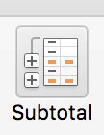
GOAL
Two functions:
A. Subtotal the inventory value by the type of art AND
B. Display the average unit price by type of art.
This needs to be sorted first, but which column. The answer is below, but try to make a best guess on which column would be the best for the sort.
1. Choose the Data tab.
Note the Subtotal tool in the ribbon.
2. Before using the subtotal tool, select all the data, including the row containing the labels, and sort on the type of art so that the subtotals will not be broken into parts. The current sort is on the name, alphabetically. For example, if you do not sort on type of art, you will not get any subtotal on the woodcuts. There are only three, and they are separated from each other.
3. Click the subtotal tool.
4. Subtotal the inventory value by the type of art:
At each change in:
Type of Art
Use Function:
SUM
Add Subtotal to:
Inventory Value
5. Minimize the totals. (See minimize buttons graphic.)
To add the next function, maximize the totals.
6. click on any cell in the data set.
7. Using the subtotal tool again, display the average unit price for each type of art. Make sure replace current subtotals is left unchecked. Do not average the inventory value, so uncheck that if it is checked by default.
8. You can minimize the subtotals by using the minimize buttons. See the graphic to the right:
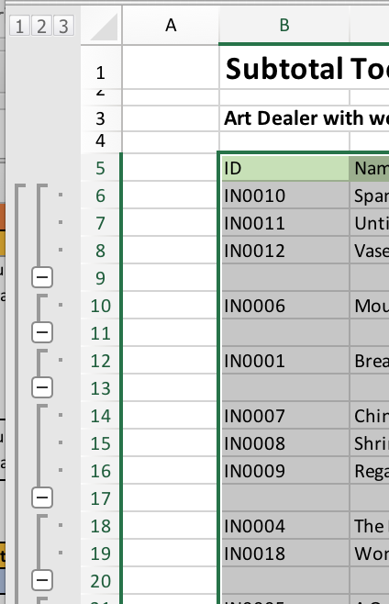
Minimize buttons:

