Saving & Entering Data
Saving a Worksheet
If you have trouble viewing all the data in the worksheets in this tutorial, adjust the scale in the bottom right bar.
Save with cntl+s or Save As with alt+f+a, and, as in UNIX and MSWord,
do-not-leave-spaces-in-filenames.xlsx
Entering Data
Select the cell where you want to enter data. Start typing. The data will appear at the top of the screen in the Formula Bar, where you can edit it, correct errors, and add text, figures, or formulas. The data is only placed into the cell when you hit the Return key, the Enter key, the Tab key, or any of the direction keys.
OR....
Double click in the cell. This will allow you to edit in the cell instead of in the Formula Bar
If you enter a long string of data, Excel will either truncate the display of the label or spill the display over into the next cell. You may see this: ###########
this is OK

Editing Data
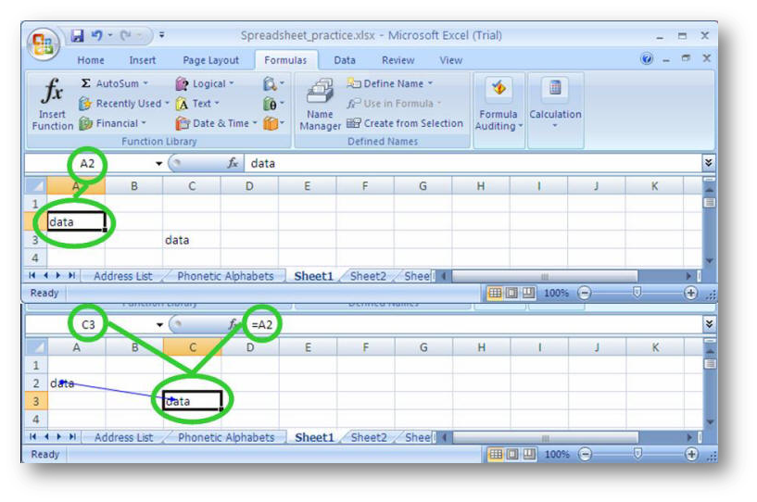
data
 | data

Editing Data
Click on cell
Double Click cell

Deleting data
If you use the delete key, Excel assumes you want to clear contents of the cell(s), but does not clear any formatting you may have added.
Delete the text with the delete key
do not use the spacebar to clear cells; it adds a space to the cell rather than emptying it
you can also select a cell, right click, and select Clear contents
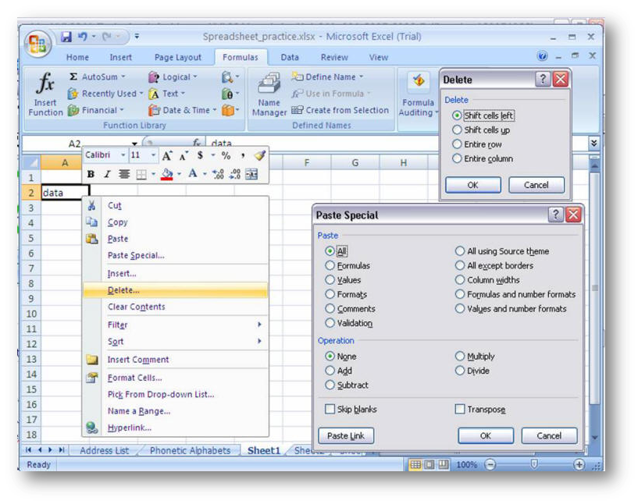
sun
mon
tue
wed
thu
fri
sat
sun
mon
tue
wed
thu
fri
sat
sun
mon
If you add data to a cell by pasting from another cell or another application, you have many options. Pasting from another cell can bring values, formulas, relative references, and many other properties - as you wish.
tue
wed
thu
fri
sat
sun
mon
tue
wed
thu
fri
sat
sun
If you use the right click Delete dialog, Excel assumes you want to remove the entire cell from the worksheet, not just the contents from the cell.

Autofill
To increase a column width,
put the cursor on the top of the column where it borders the second column. The cursor will turn from an + to a line with 2 arrows. Left click and hold the mouse, drag it to the desired position.
Autofill
select cell and drag
autofill data or number sequences
can create custom lists for Autofill from popular options
Mac: Excel Preferences > Formulas and Lists > Custom Lists
PC: File > Options > Advanced > Edit Custom Lists

Select both cells and drag. |  | Select and drag. |  | Select and drag. |  | Select and drag.
Default |  |  |  | Default |  | Custom for this workbook only:
1 | 1 | sun | sun | jan | jan | abe | abe
2 | 2 |  | mon |  | feb |  | bertha
 | 3 |  | tue |  | mar |  | cassie
 | 4 |  | wed |  | apr |  | donna
 | 5 |  | thu |  | may |  | edgar
 | 6 |  | fri |  | jun |  | franklin
 | 7 |  | sat |  | jul |  | gary
 | 8 |  | sun |  | aug |  | harry
 | 9 |  | mon |  | sep |  | ian
 | 10 |  | tue |  | oct |  | abe
 | 11 |  | wed |  | nov |  | bertha
 | 12 |  | thu |  | dec |  | cassie
 | 13 |  | fri |  | jan |  | donna
 | 14 |  | sat |  | feb |  | edgar
 | 15 |  | sun |  | mar |  | franklin
 | 16 |  | mon |  | apr |  | gary
 | 17 |  | tue |  | may |  | harry
 | 18 |  | wed |  | jun |  | ian
 | 19 |  | thu |  | jul |  | abe
 | 20 |  | fri |  | aug |  | bertha
 | 21 |  | sat |  | sep |  | cassie

