ER Diagrams
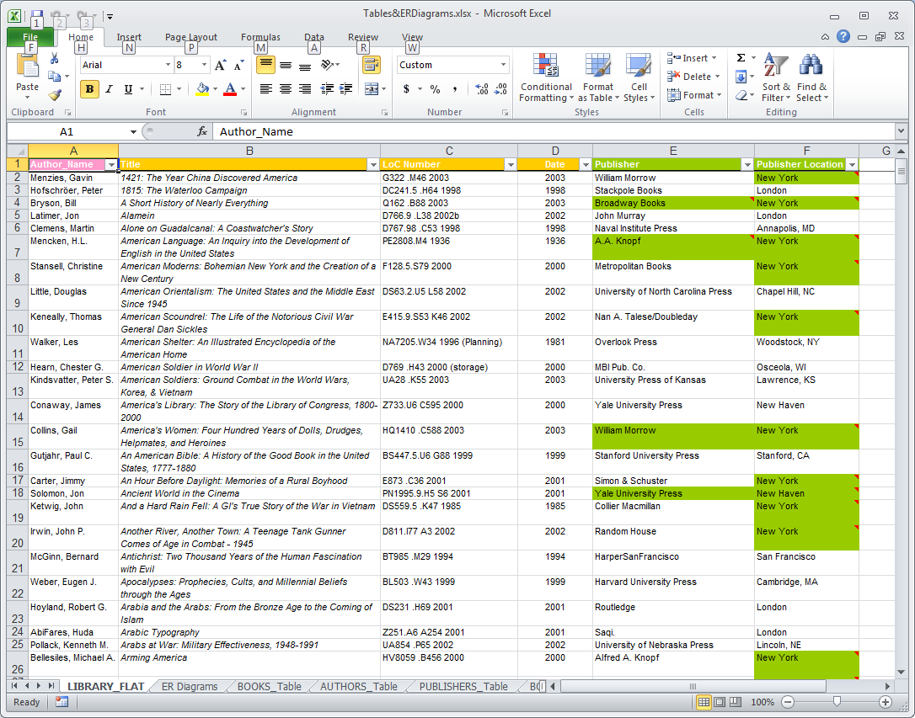
we can disaggregate each record into three components
author
book
publisher


Title
Date
AuID
AuName
ISBN
LoC#

Write/Are WrittenBy
Books
how are they related?
Authors
 |  | 10a |  |  | 10b

M
9a
 |  |  | 10c
Publish/Are PublishedBy
how are they related?
1
9 | 8 |  | 7 | 10 |  | database |  | Access
 |  |  |  |  |  | Entity Class | 6


Publishers
 | 4 |  |  |  |  | Entity Set | 5 | Table

 |  |  |  |  |  | Entities | 3 | Records
PubID
PubLocation

PubName
 |  |  |  |  |  | Attributes | 1 | Fields
 | 2
Orders?
Relationship?

